AQI change over time
Average of AQI | Column Labels
Row Labels | 2020 | 2021 | 2022 | State | AQI change over time 2022-2021
Andhra Pradesh | 61 | 63 | 65 | Andhra Pradesh | 2
Arunachal Pradesh |  | 61 | 58 | Arunachal Pradesh | -3
Assam | 51 | 63 | 71 | Assam | 8
Bihar | 150 | 130 | 177 | Bihar | 47
Chandigarh (UT) | 110 | 98 | 113 | Chandigarh (UT) | 15
Chattisgarh | 58 | 64 | 66 | Chattisgarh | 2
Dadara & Nagar Haveli and Daman & Diu (UT) | 80 | 84 | 76 | Dadara & Nagar Haveli and Daman & Diu (UT) | -9
Delhi (UT) | 234 | 207 | 207 | Delhi (UT) | 0
Goa | 57 | 62 | 57 | Goa | -4
Gujarat | 108 | 111 | 104 | Gujarat | -7
Haryana |  | 151 | 143 | Haryana | -8
Himachal Pradesh | 64 | 72 | 67 | Himachal Pradesh | -5
Jammu & Kashmir (UT) | 162 | 132 | 116 | Jammu & Kashmir (UT) | -16
Jharkhand |  | 156 | 152 | Jharkhand | -3
Karnataka | 61 | 53 | 60 | Karnataka | 6
Kerala | 40 | 49 | 52 | Kerala | 3
Madhya Pradesh | 95 | 94 | 97 | Madhya Pradesh | 3
Maharashtra | 78 | 87 | 90 | Maharashtra | 3
Manipur | 137 | 123 | 51 | Manipur | -72
Meghalaya | 52 | 72 | 63 | Meghalaya | -9
Mizoram | 27 | 34 | 25 | Mizoram | -9
Nagaland | 106 | 83 | 81 | Nagaland | -2
Odisha | 87 | 93 | 93 | Odisha | 0
Pondicherry (UT) | 111 | 42 | 47 | Pondicherry (UT) | 5
Punjab |  | 94 | 97 | Punjab | 3
Rajasthan | 170 | 139 | 138 | Rajasthan | 0
Sikkim | 32 | 35 | 38 | Sikkim | 2
Tamilnadu | 56 | 50 | 54 | Tamilnadu | 4
Telangana | 84 | 78 | 76 | Telangana | -1
Tripura | 124 | 82 | 94 | Tripura | 12
Uttar Pradesh | 195 | 175 | 154 | Uttar Pradesh | -21
Uttarakhand | 121 | 126 | 124 | Uttarakhand | -2
West Bengal | 89 | 98 | 98 | West Bengal | 0

Avg pollutant value over years
State / Union Territory | (All)

Row Labels | Average of SO2 | Average of NO2 | Average of PM10 | Average of PM2.5
2020 | 8 | 21 | 91 | 15
2021 | 9 | 20 | 92 | 29
2022 | 11 | 21 | 95 | 32

Average National Index
AQI across years
State / Union Territory | (All)

Row Labels | Average of AQI
2020 | 91
2021 | 92
2022 | 95

Average National AQI
Row Labels | Average of AQI
2020 | 91
2021 | 92
2022 | 95

statewise pollutants AQI
Year | (All)

Row Labels | Average of SO2 | Average of NO2 | Average of PM10 | Average of PM2.5
Andhra Pradesh | 7 | 17 | 63 | 24
Arunachal Pradesh | 15 | 9 | 59 | 10
Assam | 7 | 12 | 62 | 16
Bihar | 7 | 34 | 170 | 79
Chandigarh (UT) | 5 | 24 | 107 | 59
Chattisgarh | 8 | 14 | 62 | 25
Dadara & Nagar Haveli and Daman & Diu (UT) | 15 | 20 | 78 | 26
Delhi (UT) | 6 | 51 | 216 | 117
Goa | 6 | 13 | 59 | 27
Gujarat | 18 | 22 | 108 | 39
Haryana | 12 | 23 | 140 | 70
Himachal Pradesh | 3 | 8 | 68 | 23
Jammu & Kashmir (UT) | 9 | 18 | 150 | 14
Jharkhand | 21 | 32 | 154 | 7
Karnataka | 11 | 15 | 57 | 23
Kerala | 4 | 11 | 48 | 17
Madhya Pradesh | 12 | 21 | 95 | 40
Maharashtra | 16 | 33 | 85 | 14
Manipur | 21 | 19 | 99 | 43
Meghalaya | 6 | 11 | 63 | 20
Mizoram | 3 | 5 | 29 | 7
Nagaland | 12 | 6 | 90 | 10
Odisha | 8 | 16 | 91 | 34
Pondicherry (UT) | 7 | 17 | 102 | 1
Punjab | 7 | 17 | 96 | 13
Rajasthan | 12 | 29 | 147 | 35
Sikkim | 5 | 6 | 35 | 2
Tamilnadu | 14 | 17 | 53 | 22
Telangana | 7 | 35 | 79 | 23
Tripura | 19 | 9 | 100 | 55
Uttar Pradesh | 14 | 29 | 173 | 43
Uttarakhand | 15 | 22 | 123 | 41
West Bengal | 7 | 29 | 95 | 12

highest and lowest AQI states
Year | (All)

Row Labels | Average of AQI | TOP 5 States
Delhi (UT) | 216
Uttar Pradesh | 173
Bihar | 170
Jharkhand | 154
Rajasthan | 147

Year | (All)

Row Labels | Average of AQI
Mizoram | 29 | low AQI states
Sikkim | 35
Kerala | 48
Tamilnadu | 53
Karnataka | 57

HIGHEST AQI | Delhi (UT)
LOWEST AQI | Mizoram

Dashboard
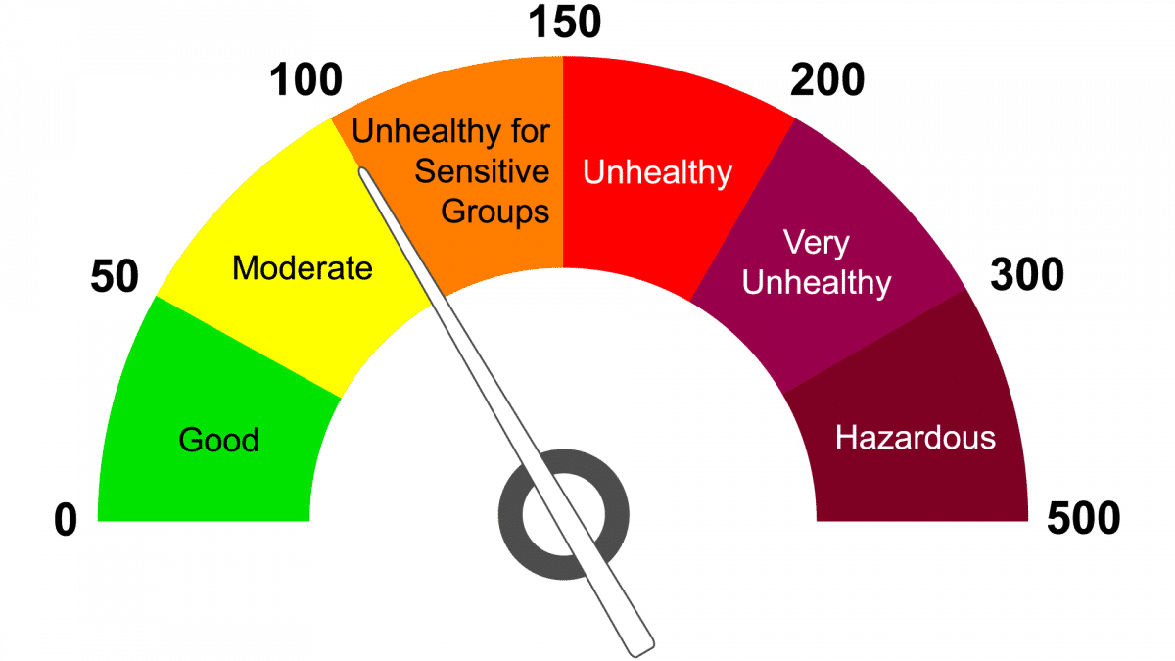
AIR QUALITY INDEX ANALYSIS

State with highest AQI
State with lowest AQI
Average National AQI
 | Total
2020 | 91
2021 | 92
2022 | 95
Pollutant contribution to AQI
 | Total
Average of SO2 | 10
Average of NO2 | 21
Average of PM10 | 93
Average of PM2.5 | 26

Delhi (UT)
Mizoram

Top States with high AQI
 | Total
Delhi (UT) | 216
Uttar Pradesh | 173
Bihar | 170
Jharkhand | 154
Rajasthan | 147

 | AQI change over time 2022-2021
Andhra Pradesh | 2
Arunachal Pradesh | -3
Assam | 8
Bihar | 47
Chandigarh (UT) | 15
Chattisgarh | 2
Dadara & Nagar Haveli and Daman & Diu (UT) | -9
Delhi (UT) | 0
Goa | -4
Gujarat | -7
Haryana | -8
Himachal Pradesh | -5
Jammu & Kashmir (UT) | -16
Jharkhand | -3
Karnataka | 6
Kerala | 3
Madhya Pradesh | 3
Maharashtra | 3
Manipur | -72
Meghalaya | -9
Mizoram | -9
Nagaland | -2
Odisha | 0
Pondicherry (UT) | 5
Punjab | 3
Rajasthan | 0
Sikkim | 2
Tamilnadu | 4
Telangana | -1
Tripura | 12
Uttar Pradesh | -21
Uttarakhand | -2
West Bengal | 0
 | Average of SO2 | Average of NO2 | Average of PM10 | Average of PM2.5
Andhra Pradesh | 7 | 17 | 63 | 24
Arunachal Pradesh | 15 | 9 | 59 | 10
Assam | 7 | 12 | 62 | 16
Bihar | 7 | 34 | 170 | 79
Chandigarh (UT) | 5 | 24 | 107 | 59
Chattisgarh | 8 | 14 | 62 | 25
Dadara & Nagar Haveli and Daman & Diu (UT) | 15 | 20 | 78 | 26
Delhi (UT) | 6 | 51 | 216 | 117
Goa | 6 | 13 | 59 | 27
Gujarat | 18 | 22 | 108 | 39
Haryana | 12 | 23 | 140 | 70
Himachal Pradesh | 3 | 8 | 68 | 23
Jammu & Kashmir (UT) | 9 | 18 | 150 | 14
Jharkhand | 21 | 32 | 154 | 7
Karnataka | 11 | 15 | 57 | 23
Kerala | 4 | 11 | 48 | 17
Madhya Pradesh | 12 | 21 | 95 | 40
Maharashtra | 16 | 33 | 85 | 14
Manipur | 21 | 19 | 99 | 43
Meghalaya | 6 | 11 | 63 | 20
Mizoram | 3 | 5 | 29 | 7
Nagaland | 12 | 6 | 90 | 10
Odisha | 8 | 16 | 91 | 34
Pondicherry (UT) | 7 | 17 | 102 | 1
Punjab | 7 | 17 | 96 | 13
Rajasthan | 12 | 29 | 147 | 35
Sikkim | 5 | 6 | 35 | 2
Tamilnadu | 14 | 17 | 53 | 22
Telangana | 7 | 35 | 79 | 23
Tripura | 19 | 9 | 100 | 55
Uttar Pradesh | 14 | 29 | 173 | 43
Uttarakhand | 15 | 22 | 123 | 41
West Bengal | 7 | 29 | 95 | 12
AQI change over time 2022-2021
 | n

Pollutants contribution
Year | (All)

Values
Average of SO2 | 10
Average of NO2 | 21
Average of PM10 | 93
Average of PM2.5 | 26

